Sheet1
 |  |  | xxxx xxxx xxxxx xxPCS BOM (Sample Bill of Materials)

Item # | *Designator | *Qty | Manufacturer | *Mfg Part # | Description / Value | *Package/Footprint | Type | Your Instructions / Notes
1 | C2 | 1 | Samsung Electro-Mechanics | CL21B104KBCNNNC | CAP CER 0.1UF 50V X7R 0805 | 0805 | SMD
2 | R1 | 2 | YAGEO | RC0603FR-0710KL | RES 10K OHM 1% 1/10W 0603 | 0603 | SMD
3 | C1 | 1 | KYOCERA AVX | TPSP106M010R2000 | CAP TANT 10UF 20% 10V 0805 | 0805 | SMD | 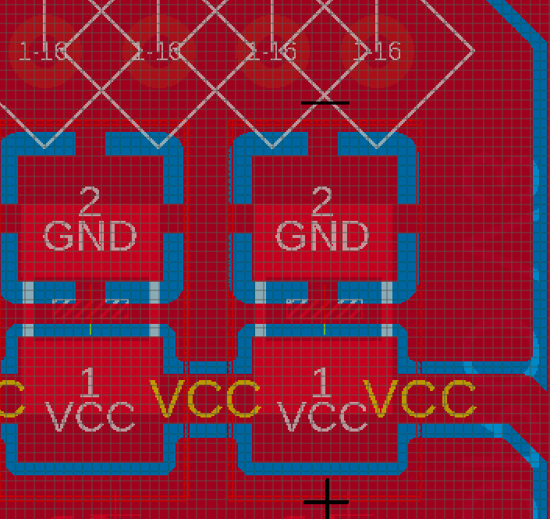 See polarity
4 | R4 | 1 | YAGEO | RC0603FR-07110KL | RES 110K OHM 1% 1/10W 0603 | 0603 | SMD
5 | R5 | 1 | Vishay Dale | CRCW0603180KFKEAC | RES 180K OHM 1% 1/10W 0603 | 0603 | SMD
6 | U$1 | 1 | Microchip Technology | MCP3421A3T-E/CH | IC ADC 18BIT SIGMA-DELTA SOT23-6 | SOT23-6 | SMD

Need a quick and accurante quote? Need an efficient production? Please read SMT Ordering Necessary Files & Info in 1 minute. Thank you very much!

Click for Instructions on How to Create a BOM

